Instructions
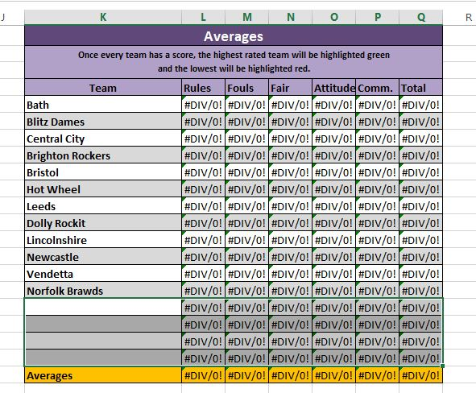
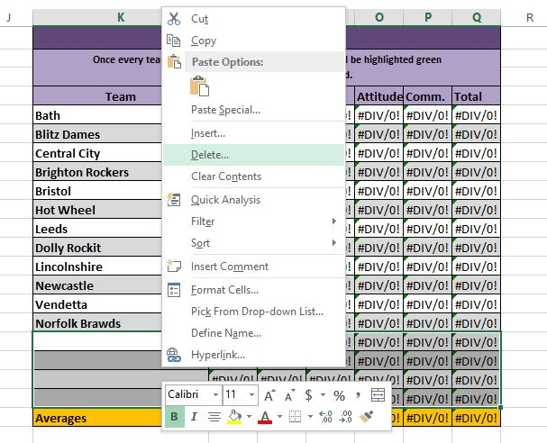
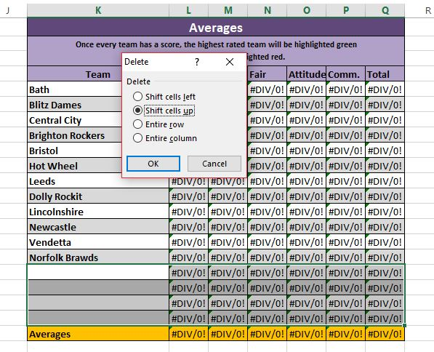
Instrctions to build the table | Less than 16 teams
1. If you need more than one sheet (i.e. you have more than one division), copy the template and rename each sheet.
2. Type the names of the teams in the "team" column of the top table, "Averages"
3. Do not do anything else. The team names should self populate in the other tables and also to a drop down menu for each cell in the first two columns.

Less than 16 teams (There are screen shots of these instructions to the right)
1. In the "Averages" table, select the extra cells. This should be each row in the "Averages" table with out a team name. Make sure to delete all 7 cells across, from "team" to "total".
2. Delete these cells (have the other cells "shift up")
3. Repeat for each table on the right side (Average, Average scores Given, Scores given-received, and Games Scored)

Greater than 16 teams (There are screen shots of these instructions to the right)
1. Select the number of rows you need to add. So if you have 20 teams, you will need to add 4 teams, select 4 rows. Make sure to select the entire row.
2. "Copy" the rows selected.
3. Select a single row.
4. Right click the mouse to see the option, "Insert Copied Cells". Select this option.
5. Excel should have inserted the number of rows you copied in "2". So for the example above the 16 team teable, should now have 20 rows.
6. Repeat for each table on the right side (Average, Average scores Given, Scores given-received, and Games Scored)

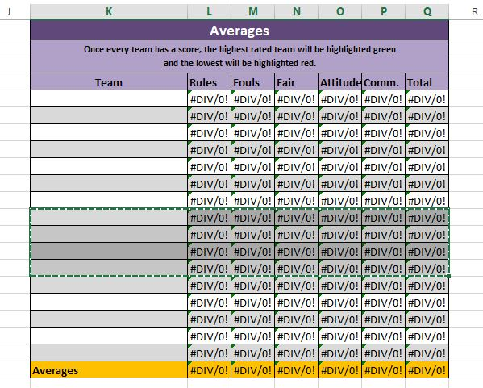
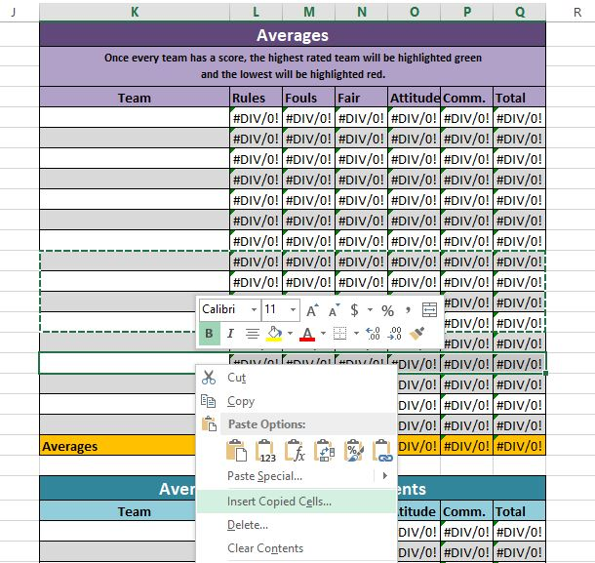
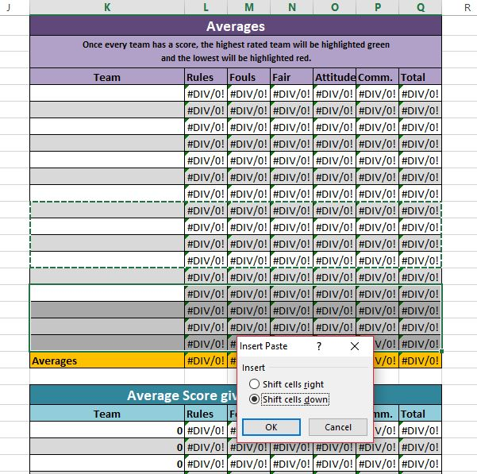
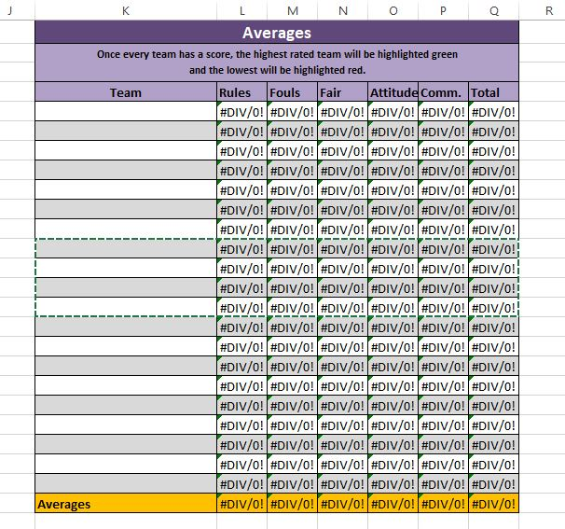
Instructions to enter data
1. Make sure you are in the correct tab. | More than 16 teams
2. Enter/Select the team being scored (Column A).
3. Enter/Select the team who gave the spirit scores (Column B).
4. Enter the five spirit scores (Columns C-G)
5. The total (Column H) will self-populate.
6. Add in any comments.

Any "0" will show up as red text. Total spirit scores less than 7 will stay orange.

Table Descriptions
On the right are 4 tables that, once you have entered team names into the first one, you should should never, ever touch. They will self-populate as you enter data.
Table 1, "Averages": Avg spirit score received. Once everyone has scores entered the highest average will be highlighted in green and the lowest in red. This is where you find your spirit winner.
Table 2 "Average Scores Given to Opponents": Avg spirit scores given by each team. This can be useful to find teams that are giving abnormally high or low scores.
Table 3 "Scores received-Scores Given: The difference between avg given and avg received (not a very helpful table)
Table 4 "Games Scored": number of spirit scores given vs number of spirit scores received. For this table a 0 in the last column is perfect. If the number is negative then the team in question is not handing in spirit score sheets. This table can be very helpful so you know who you need to bug to track down spirit score sheets.

